End Stringer
CLIENT | City of Lowell |  |  |  | STV Incorporated |  |  |  | CLIENT | City of Lowell |  |  |  | STV Incorporated |  |  |  | CLIENT | City of Lowell |  |  |  | STV Incorporated |  |  |  | CLIENT | City of Lowell |  |  |  | STV Incorporated |  |  |  | CLIENT | City of Lowell |  |  |  | STV Incorporated
PROJECT | University Ave, Lowell, Bridge |  |  |  | MADE | CHK. | REV. | 4014312 | PROJECT | University Ave, Lowell, Bridge |  |  |  | MADE | CHK. | REV. | 4014312 | PROJECT | University Ave, Lowell, Bridge |  |  |  | MADE | CHK. | REV. | 4014312 | PROJECT | University Ave, Lowell, Bridge |  |  |  | MADE | CHK. | REV. | 4014312 | PROJECT | University Ave, Lowell, Bridge |  |  |  | MADE | CHK. | REV. | 4014312
SUBJECT | End Top Chord Floor beam rating |  |  |  | ARG |  |  | SHT # 1 /4 | SUBJECT | End Top Chord Floor beam rating |  |  |  | ARG |  |  | SHT # 2 /4 | SUBJECT | End Top Chord Floor beam rating |  |  |  | ARG |  |  | SHT # 2 /4 | SUBJECT | End Top Chord Floor beam rating |  |  |  | ARG |  |  | SHT # 3 /4 | SUBJECT | End Top Chord Floor beam rating |  |  |  | ARG |  |  | SHT # 4 /4
 | FB1 |  |  |  | 2015-10-18 |  |  |  |  | FB1 |  |  |  | 2015-10-18 |  |  |  |  | FB1 |  |  |  | 2015-10-18 |  |  |  |  | FB1 |  |  |  | 2015-10-18 |  |  |  |  | FB1 |  |  |  | 2015-10-18

 |  |  |  | Rating of Floorbeam | FB1 |  |  |  | 2. | Loading |  |  |  |  |  |  |  |  | 2. | Live Loading |  |  |  |  |  |  | 3. | ASD Rating |  |  |  |  |  |  |  | 4. | LFD Rating

1. | Member and Material Properies |  |  |  |  |  |  |  | 2.1. | Dead Load |  |  |  |  |  |  |  |  |  |  | 0 |  | 0 |  |  |  |  | General Rating Equation |  |  |  |  |  |  |  |  | General Rating Equation

 | L= | #N/A | ft |  | S= | #N/A | ft |  | ** | SW of floorbeam = | #N/A | kip/ft |  |  |  |  |  |  |  |  |  |  |  |  |  |  |  | RF = | C-A1D |  |  |  |  |  |  |  | RF = | C-A1D
 | Section | #N/A |  |  | wf = | #N/A | in |  |  | SW of Deck = | 2.07 | kip/ft |  |  | Load transferred from Stringer |  |  |  |  |  |  |  |  |  |  |  |  |  | A2L(1+I) |  |  |  |  |  |  |  |  | A2L(1+I)
 | Ix-x= | #N/A | in4 |  | tf= | #N/A | in |  |  | SIP forms= | 0.037 | kip/ft |  |  | Load transferred from Stringer
 | Sx-x= | #N/A | in3 |  | tw= | #N/A | in |  |  | SW of stringer = | #N/A | kip/ft |  |  | Load transferred from Stringer |  |  |  |  |  |  |  |  |  |  |  |  | For ASD Rating A1=A2= |  |  | 1.00 |  |  |  |  |  | For LFD Operating Rating A1=A2= |  |  |  | 1.30
 | A= | #N/A | in2 |  | T= | #N/A | in |  |  | ΣW= | #N/A | kip/ft |  |  |  |  |  |  | Figure XX. | Floorbeam loads caused by members framing in
 | d= | #N/A | in |  | Aw= | #N/A | in2 |  |  | MDL= | #N/A | kip-ft |  |  |  |  |  |  |  |  |  |  |  |  |  |  |  | According to AASHTO Standard Specification, 7th Edition 3.8.1.1 |  |  |  |  |  |  |  |  | According to AASHTO Standard Specification, 17th Edition 3.8.1.1
 |  |  |  |  |  |  |  |  |  | VDL= | #N/A | kip |  |  |  |  |  |  |  |  |  |  |  |  |  |  |  | Impact should not be included for sidewalk loads |  |  |  |  |  |  |  |  | Impact should not be included for sidewalk loads
 | fy= | #N/A | ksi |  |  |  |  |  |  |  |  |  |  |  |  |  |  |  | Shear on FB = VLL = |  |  | kip |  | AISC
 | Inventory fy= | #N/A | ksi |  | Inventory fv= | 16.5 | ksi |  |  | Flexural Stresses | Bottom of Steel |  |  |  |  |  |  |  | Moment on FB = MLL = |  |  | kip-ft |  | AISC |  |  | 3.1. | ASD Operational Rating - Flexure |  |  |  |  |  |  |  | 4.1. | Operational Rating - Flexure
 | Operating fy= | #N/A | ksi |  | Operating Fv= | 22.5 | ksi |  |  | fDL,flexure= | MDL | = | #N/A | = | #N/A
 |  |  |  |  |  |  |  |  |  |  | Sx-x |  | #N/A |  |  |  |  | ** | M= | 0 | kip-ft |  |  | As calculated on previous page |  |  |  | RF = | #N/A |  | = | #N/A |  |  |  |  | RF = | #N/A |  | = | #N/A
 | Deck |  |  |  |  |  |  |  |  | Shear Stress |  |  |  |  |  |  |  |  | MLL= | 0.00 | kip-ft |  |  | MLL=M*DF*I |  |  |  |  | #N/A |  |  |  |  |  |  |  |  | #N/A
 | ts= | 8 | in |  | fc'= | 5 | ksi |  |  | fDL,shear= | V/Aw | = | #N/A | = | #N/A |  |  |  | V= | 0 | kip |  |  | As calculated on previous page
 | beff= | 88 | in |  | AASHTO | 10.38.3 |  |  |  |  |  |  |  |  |  |  |  |  | VLL= | 0.00 | kip |  |  | VLL=V*DF*I
 |  |  |  |  |  |  |  |  | 2.2. | Live Load |  |  |  |  |  |  |  |  |  |  |  |  |  |  |  |  | 3.2. | ASD Operational Rating - Shear |  |  |  |  |  |  |  | 4.2. | Operational Rating - Shear
 | Composite Section Properties |  |  |  |  |  |  |  |  |  |  |  |  |  |  |  |  |  | Flexural Stresses | Bottom of Steel
 |  |  |  |  |  |  |  |  |  | Impact | 1.33 |  |  |  | AASHTO | 3.6.2 |  |  | fLL= | MLL | = | 0.00*12 | = | #N/A |  |  |  | RF = | #N/A |  | = | #N/A |  |  |  |  | RF = | #N/A |  | = | #N/A
 | Short Term Composite Section |  |  |  |  |  |  |  |  |  |  |  |  |  |  |  |  |  |  | Sx-x |  | #N/A |  |  |  |  |  |  | #N/A |  |  |  |  |  |  |  |  | #N/A
 |  |  |  | n= | 6.00 |  |  |  |  | Distribution factor |  |  |  |  |  |  |  |  | Shear Stress
 |  | A | y | A*y | d | A*d2 | I0 |  | ** |  |  |  |  |  | AASHTO | 4.6.2.2.2.b |  |  | fLL,shear= | VLL/Aw | = | #N/A | = | #N/A
 |  | in2 | in | in3 | in | in4 | in4 |  |  |  |  |  |  |  |  |  |  |  |  |  |  |  |  |  |  |  | 3.3 | ASD Rating Summary |  |  |  |  |  |  |  | 4.3 | ASD Rating Summary
 | Deck | 117.33 | #N/A | #N/A | #N/A | #N/A | 625.78
 | #N/A | #N/A | #N/A | #N/A | #N/A | #N/A | #N/A |  |  |  |  |  |  |  |  |  |  |  |  |  |  |  |  |  |  |  |  | RF= | #N/A |  |  |  |  |  |  |  | RF= | #N/A
 | Σ= | #N/A | Σ= | #N/A
 |  |  | y1= | #N/A |  | I= | #N/A | in4 |  |  |  |  |  |  |  |  |  |  |  |  |  |  |  |  |  |  |  | Rating Tons= | #N/A | tons |  |  |  |  |  |  | Rating Tons= | #N/A | tons
 | Stop,conc= | #N/A | in3
 | Sbot,steel= | #N/A | in3
 |  |  |  |  |  |  |  |  |  | DF= | 0.523
 | Long Term Composite Section
 |  |  |  | 3n= | 18.00 |  |  |  |  |  | Truck Type =
 |  | A | y | A*y | d | A*d2 | I0 |  |  |  | Load per Axle =
 |  | in2 | in | in3 | in | in4 | in4 |  |  |  | Axle Distances =
 | Deck | 39.11 | #N/A | #N/A | #N/A | #N/A | 208.59 |  |  |  | Truck Live Load =
 | #N/A | #N/A | #N/A | #N/A | #N/A | #N/A | #N/A |  |  |  | R = VLL = |  |  |  | Per stringer/2 = Transferred to Floorbeam
 | Σ= | #N/A | Σ= | #N/A
 |  |  | y1= | #N/A |  | I= | #N/A | in4
 | Stop,conc= | #N/A | in3 |  |  |  |  |  |  |  | Lane Load = | 640 | psf |  | AASHTO
 | Sbot,steel= | #N/A | in3 |  |  |  |  |  |  |  | VLL2 = |  |  |  | Per stringer/2 = Transferred to Floorbeam

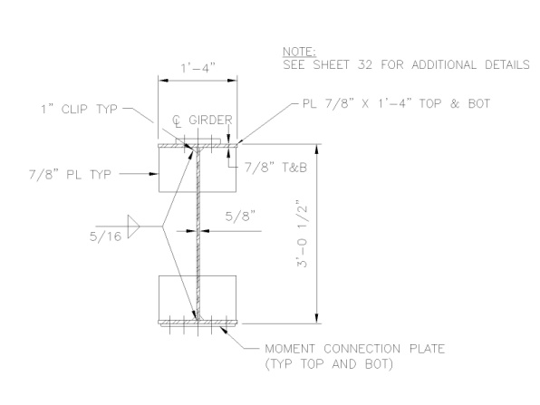

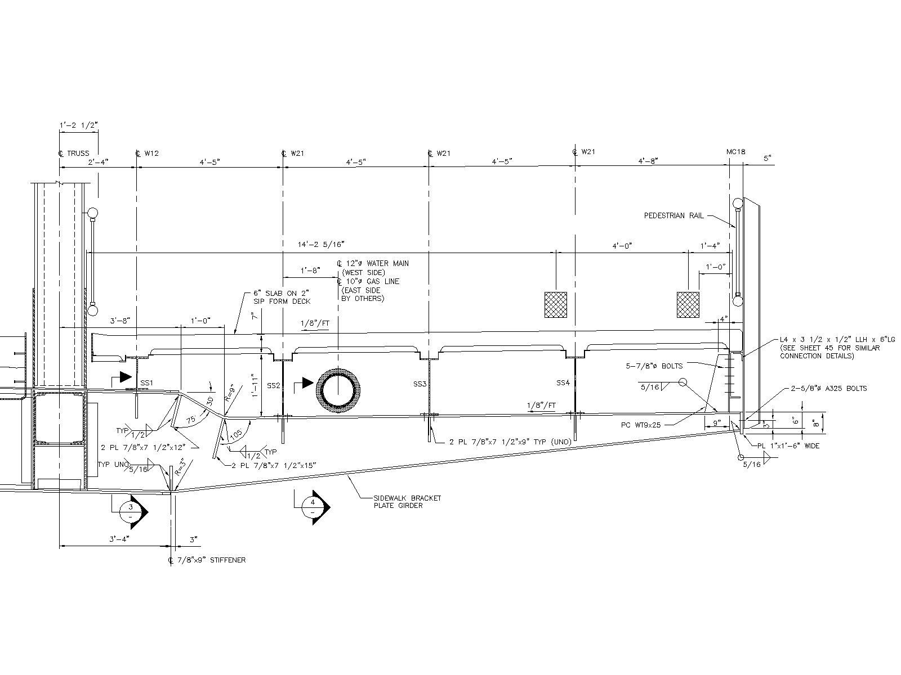

 |  |  |  |  |  |  |  |  |  |  |  | I= | 50.0 | ≤ | 0.16181229773
 |  |  |  |  |  |  |  |  |  |  |  |  | 184+125

